Sheet
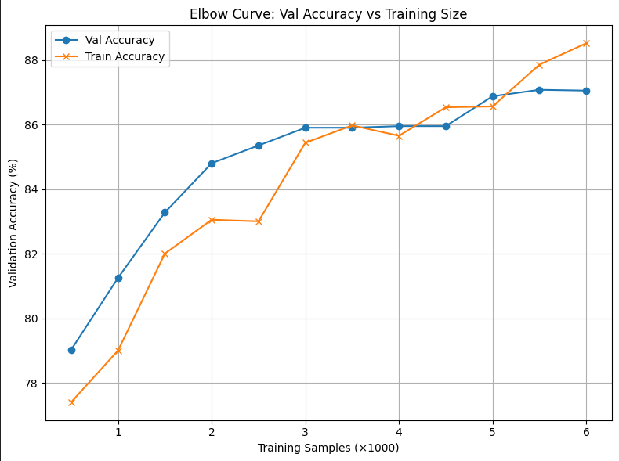
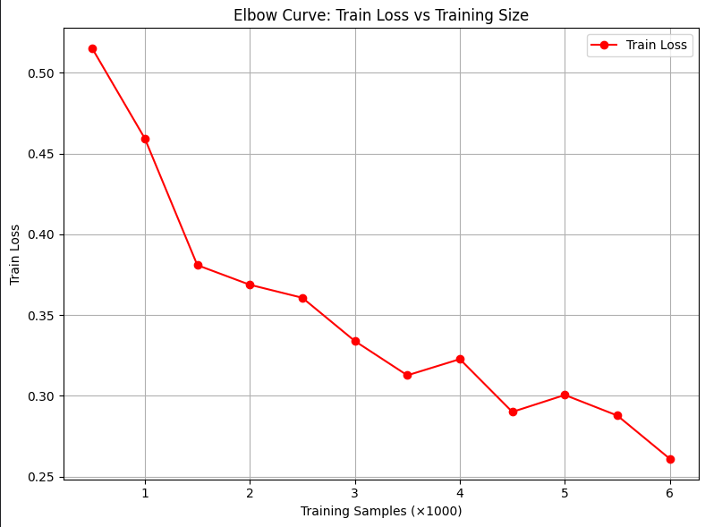
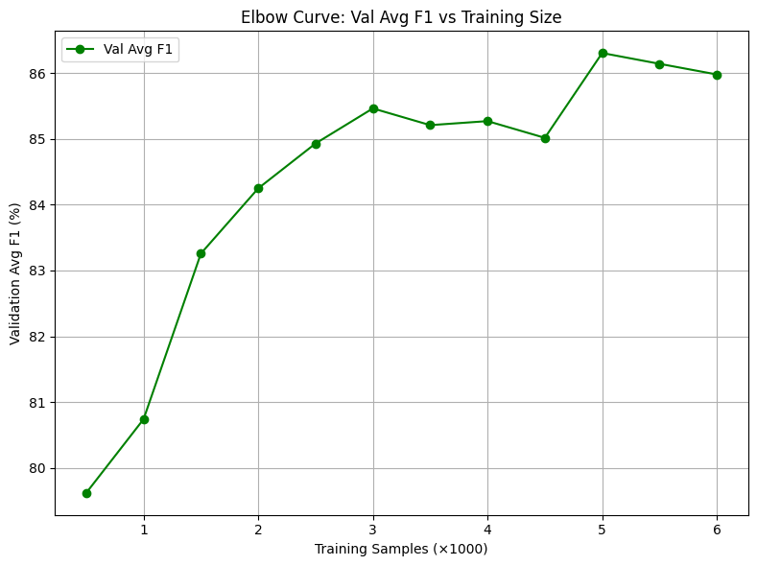
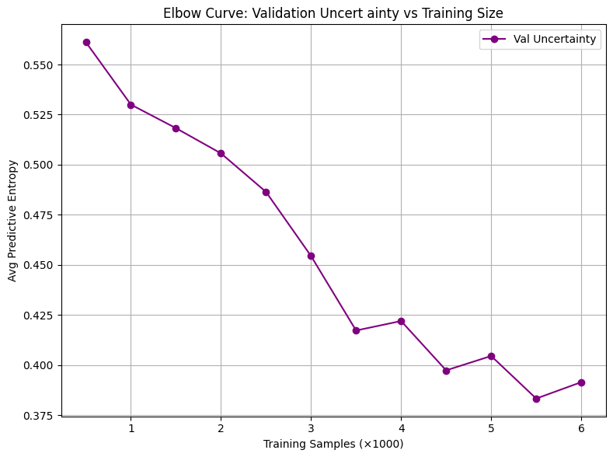
Experiments | Parameters | Results
Labeled Samples: 2000 | batch_size = 64, lr = 0.0001, epochs = 100, T = 30 | TrainAcc = 87.50%, TrainLoss = 0.3515, ValAcc = 86.22%, Avg F1 = 0.8588
Labeled Samples: 4000 | batch_size = 64, lr = 0.0001, epochs = 100, T = 30 | TrainAcc = 89.53%, TrainLoss = 0.2566, ValAcc = 87.80%, Avg F1 = 0.8738
Labeled Samples: 6000 | batch_size = 64, lr = 0.0001, epochs = 100, T = 30 | TrainAcc = 89.77%, TrainLoss = 0.2609, ValAcc = 88.78%, Avg F1 = 0.8848
Labeled Samples: 8000 | batch_size = 64, lr = 0.0001, epochs = 100, T = 30 | TrainAcc = 90.79%, TrainLoss = 0.2443, ValAcc = 89.28%, Avg F1 = 0.8898
Labeled Samples: 10000 | batch_size = 64, lr = 0.0001, epochs = 100, T = 30 | TrainAcc = 91.10%, TrainLoss = 0.2391, ValAcc = 89.12%, Avg F1 = 0.8884
Labeled Samples: 12000 | batch_size = 64, lr = 0.0001, epochs = 100, T = 30 | TrainAcc = 91.04%, TrainLoss = 0.2266, ValAcc = 89.00%, Avg F1 = 0.8862
Labeled Samples: 14000 | batch_size = 64, lr = 0.0001, epochs = 100, T = 30 | TrainAcc = 90.86%, TrainLoss = 0.2321, ValAcc = 89.42%, Avg F1 = 0.8912
Labeled Samples: 16000 | batch_size = 64, lr = 0.0001, epochs = 100, T = 30 | TrainAcc = 91.30%, TrainLoss = 0.2318, ValAcc = 89.30%, Avg F1 = 0.8876

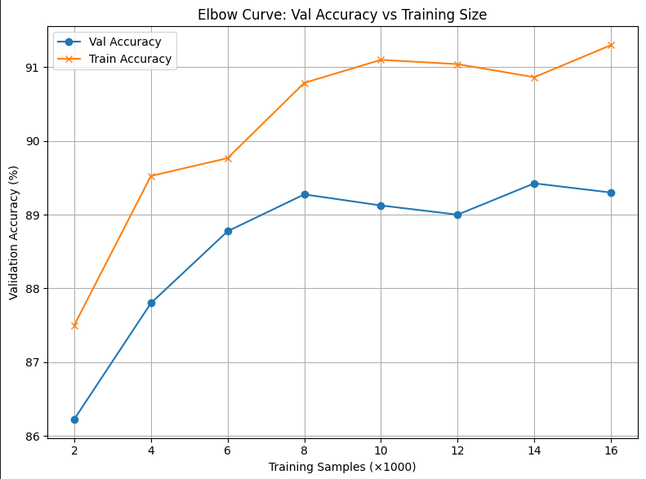
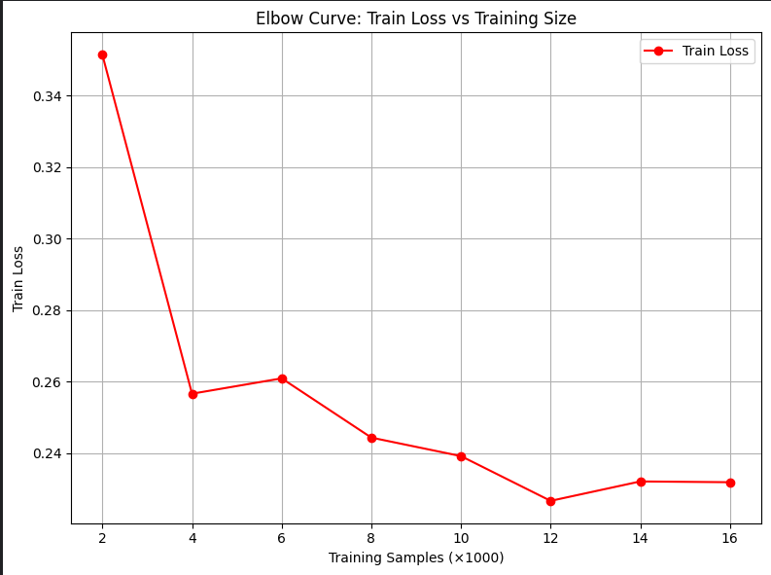

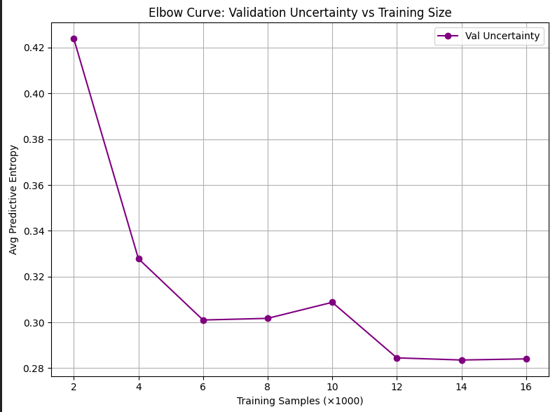
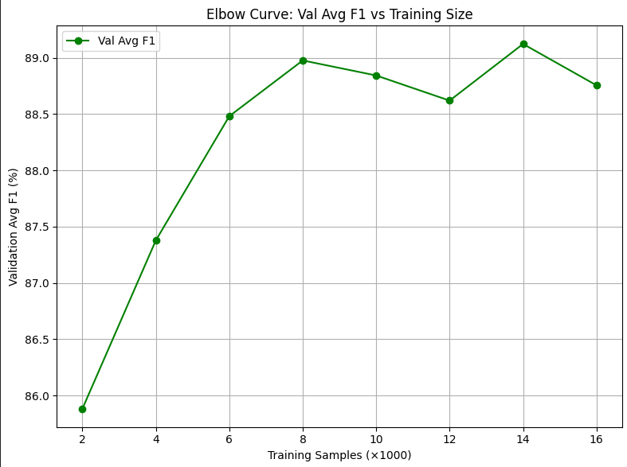

Labeled Samples: 1000 | batch_size = 64, lr = 0.0001, epochs = 50, T = 30 | TrainAcc = 80.80%, TrainLoss = 0.4396, ValAcc = 81.62%, Avg F1 = 0.8148
Labeled Samples: 2000 | batch_size = 64, lr = 0.0001, epochs = 50, T = 30 | TrainAcc = 82.80%, TrainLoss = 0.3930, ValAcc = 84.23%, Avg F1 = 0.8357
Labeled Samples: 3000 | batch_size = 64, lr = 0.0001, epochs = 50, T = 30 | TrainAcc = 85.57%, TrainLoss = 0.3085, ValAcc = 84.82%, Avg F1 = 0.8361
Labeled Samples: 4000 | batch_size = 64, lr = 0.0001, epochs = 50, T = 30 | TrainAcc = 86.40%, TrainLoss = 0.3061, ValAcc = 86.75%, Avg F1 = 0.8610
Labeled Samples: 5000 | batch_size = 64, lr = 0.0001, epochs = 50, T = 30 | TrainAcc = 86.84%, TrainLoss = 0.3081, ValAcc = 85.82%, Avg F1 = 0.8472
Labeled Samples: 6000 | batch_size = 64, lr = 0.0001, epochs = 50, T = 30 | TrainAcc = 88.42%, TrainLoss = 0.2639, ValAcc = 87.05%, Avg F1 = 0.8621
Labeled Samples: 7000 | batch_size = 64, lr = 0.0001, epochs = 50, T = 30 | TrainAcc = 88.93%, TrainLoss = 0.2572, ValAcc = 87.58%, Avg F1 = 0.8672
Labeled Samples: 8000 | batch_size = 64, lr = 0.0001, epochs = 50, T = 30 | TrainAcc = 88.62%, TrainLoss = 0.2533, ValAcc = 87.50%, Avg F1 = 0.8651

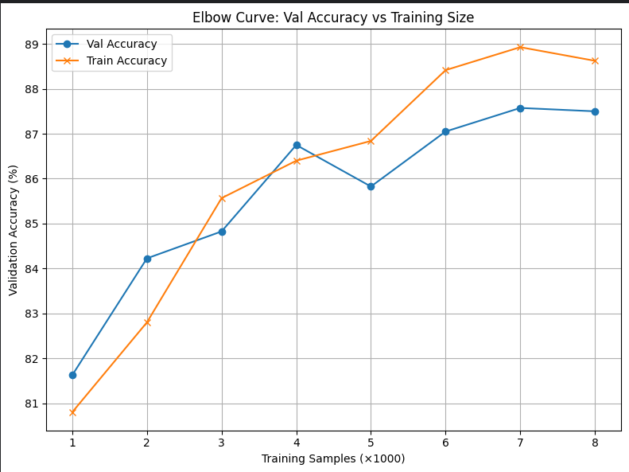
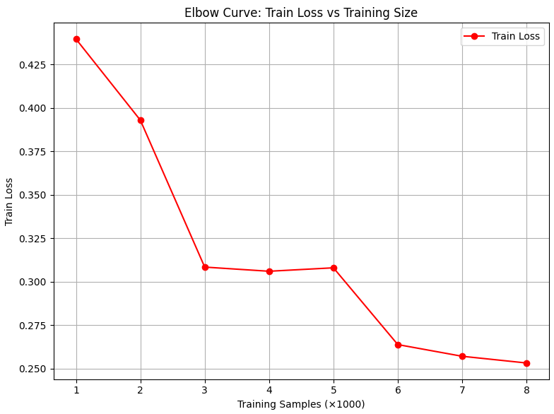

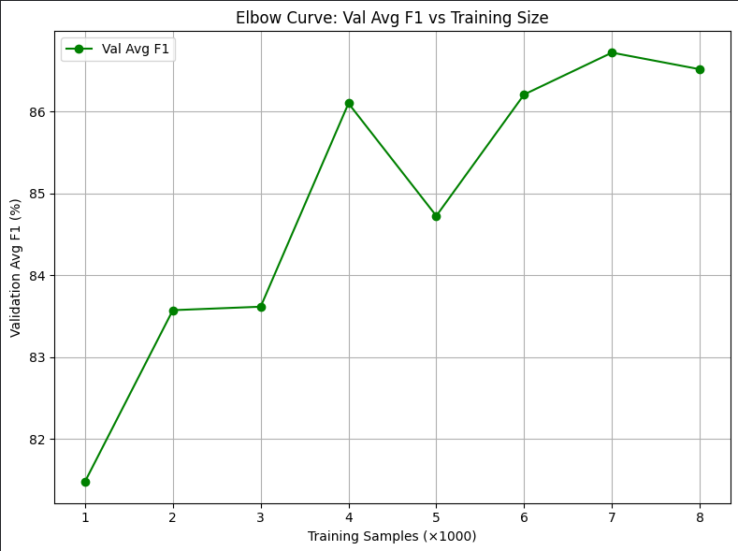
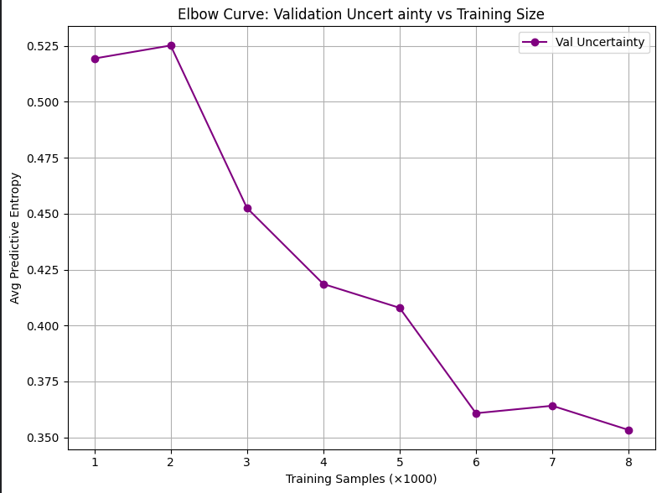

Labeled Samples: 500 | batch_size = 64, lr = 0.0001, epochs = 50, T = 30 | TrainAcc = 77.40%, TrainLoss = 0.5150, ValAcc = 79.03%, Avg F1 = 0.7962
Labeled Samples: 1000 | batch_size = 64, lr = 0.0001, epochs = 50, T = 30 | TrainAcc = 79.00%, TrainLoss = 0.4594, ValAcc = 81.25%, Avg F1 = 0.8074
Labeled Samples: 1500 | batch_size = 64, lr = 0.0001, epochs = 50, T = 30 | TrainAcc = 82.00%, TrainLoss = 0.3809, ValAcc = 83.28%, Avg F1 = 0.8326
Labeled Samples: 2000 | batch_size = 64, lr = 0.0001, epochs = 50, T = 30 | TrainAcc = 83.05%, TrainLoss = 0.3688, ValAcc = 84.80%, Avg F1 = 0.8425
Labeled Samples: 2500 | batch_size = 64, lr = 0.0001, epochs = 50, T = 30 | TrainAcc = 83.00%, TrainLoss = 0.3607, ValAcc = 85.35%, Avg F1 = 0.8493
Labeled Samples: 3000 | batch_size = 64, lr = 0.0001, epochs = 50, T = 30 | TrainAcc = 85.43%, TrainLoss = 0.3339, ValAcc = 85.90%, Avg F1 = 0.8546
Labeled Samples: 3500 | batch_size = 64, lr = 0.0001, epochs = 50, T = 30 | TrainAcc = 85.97%, TrainLoss = 0.3127, ValAcc = 85.90%, Avg F1 = 0.8521
Labeled Samples: 4000 | batch_size = 64, lr = 0.0001, epochs = 50, T = 30 | TrainAcc = 85.65%, TrainLoss = 0.3227, ValAcc = 85.95%, Avg F1 = 0.8527
Labeled Samples: 4500 | batch_size = 64, lr = 0.0001, epochs = 50, T = 30 | TrainAcc = 86.53%, TrainLoss = 0.2901, ValAcc = 85.95%, Avg F1 = 0.8501
Labeled Samples: 5000 | batch_size = 64, lr = 0.0001, epochs = 50, T = 30 | TrainAcc = 86.56%, TrainLoss = 0.3005, ValAcc = 86.88%, Avg F1 = 0.8630
Labeled Samples: 5500 | batch_size = 64, lr = 0.0001, epochs = 50, T = 30 | TrainAcc = 87.85%, TrainLoss = 0.2878, ValAcc = 87.08%, Avg F1 = 0.8614
Labeled Samples: 6000 | batch_size = 64, lr = 0.0001, epochs = 50, T = 30 | TrainAcc = 88.52%, TrainLoss = 0.2610, ValAcc = 87.05%, Avg F1 = 0.8598

